Table 17
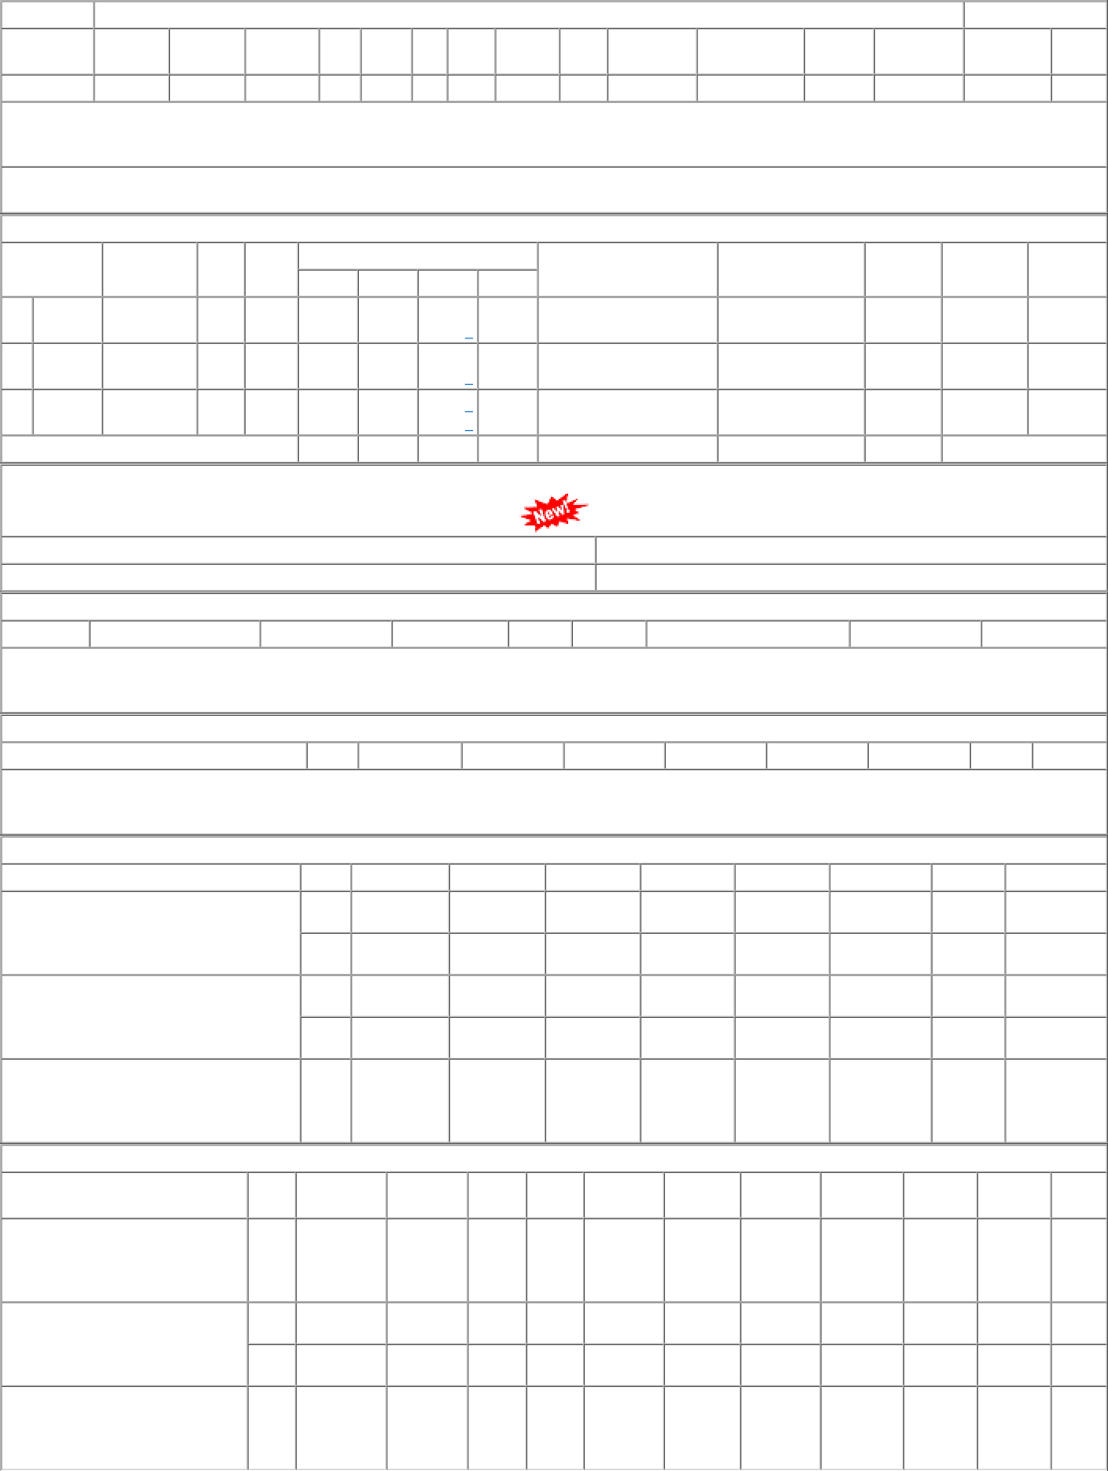
P.O.No.52221570101841 dt.21/12/22 on M/s.JHALANI ENTERPRISES-JAIPUR PO- CAT:[ Reg ] P.O.No.04223337103588 dt.11/07/22 on M/s.ARIES INDUSTRIES-AHMEDABAD PO-CAT:[ Reg ] P.O.No.52215446100834 dt.10/08/21 on M/s.PACKING HOUSE-MUMBAI PO-CAT:[ Reg ] | 001 001 002 003 | PL-CR PL-CR BVPW SSE/CR- store/PL | 45.54 51.92 51.92 56.35 | 2000 3130 1180 390 | Nos. 0 0 Nos. 0 0 Nos. 0 0 Nos. 0 0 | 0 20/01/23 0 10/10/22 0 10/10/22 0 24/09/21 | 20/01/23 OP 12/07/22 10/10/22 OP 12/07/22 10/10/22 OP 24/09/21 OP

